Intro
DATING EARLY BELLS

Key sources
 | H.B. Walters "Some thirteenth century English bells" (1925) in Antiquaries Journal Vol.VI pp.416-31
 | Clouston, R.W.M. "Bells - Discoveries and problems encountered in revising lists of historic bells" (CCC Newsletter bo.14, Winter 1969, pp.6-9)
 | G.P. Elphick "Consultative document on the dating of uninscribed mediaeval bells" (for the Council for the Care of Churches), unpublished, n.d. [c.1970]
 | George P. Elphick "The Dating of Uninscribed Bells" in Ringing World 20 April 1973 pp.307-8
 | George Elphick The Craft of the Bellfounder (Phillimore, 1988) esp. pp.9-20
 | George Elphick - Alphabetical list of early bells with dates etc (CJP has a copy)

Main soundbow types (Elphick RW 1973 p.307)
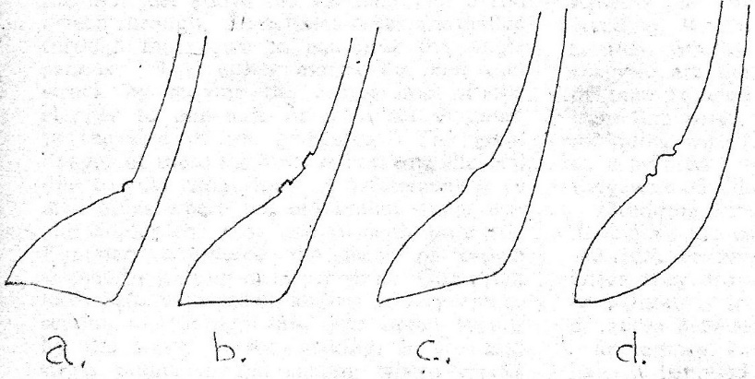

A | Outward tilt
B | Flat
C | Inward tilt
D | Modern (continuous inward curve)
Note that soundbows with segmental (i.e. non-continuous) curves also exist (including the northern type) - but the form is hard to tell apart from type D
Elphick also notes and illustrates (Craft of the Bellfounder p.13) certain types of C soundbow on bells in northern England

Height in relation to diameter
GPE observes - average height is 70%
C14 bells - 82%
Type C soundbows - 88%
Type B soundbows - 94%
Type A soundbows - 96% (the earliest)
Probably a fairly long date overlap between types A and B

Crowns
Domical crowns tend to be early - a tradition from cylindrical bells

Canon profile
GPE observes "The profiles of the canons are not very helpful for dating purposes"
The main types are:
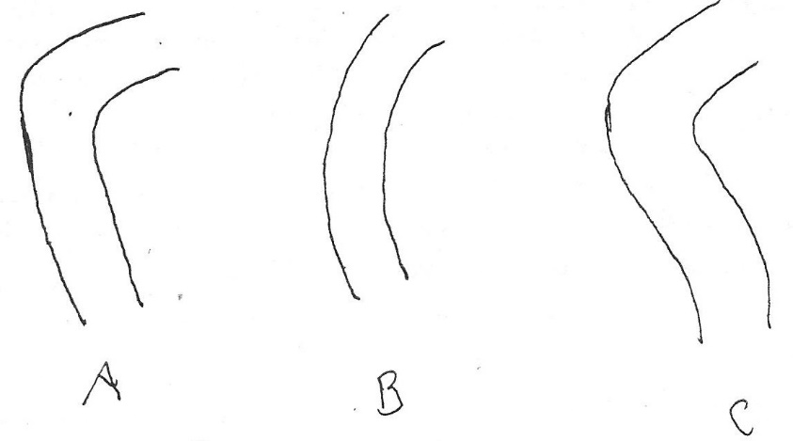

Canon section
Main types of canon section (GPE)
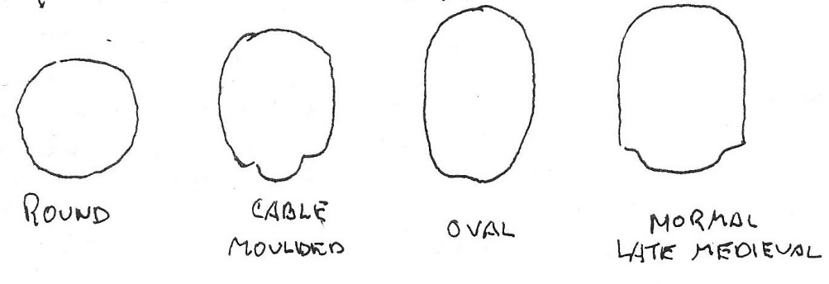

1 | Round
2 | Cable moulded
3 | Oval
4 | Normal late medieval
GPE observes "that circular sectioned canons are the earliest, for all bells with type 1 and 2 soundbows have them"

Moulding lines
GPE identifies the main types as:
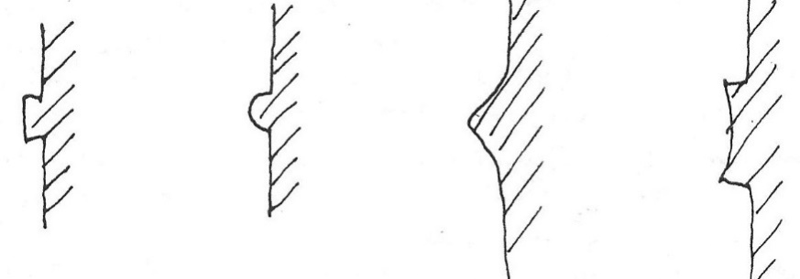

1 | Flat / rectangular
2 | Rounded / beaded
3 | Convex fillet / hump
4 | Concave fillet
All these occur in combinations of mouldings of several types

